Panduan MB51
A. LOGON SAP USER 1
1. Buka TCODE MB51 lalu klik enter
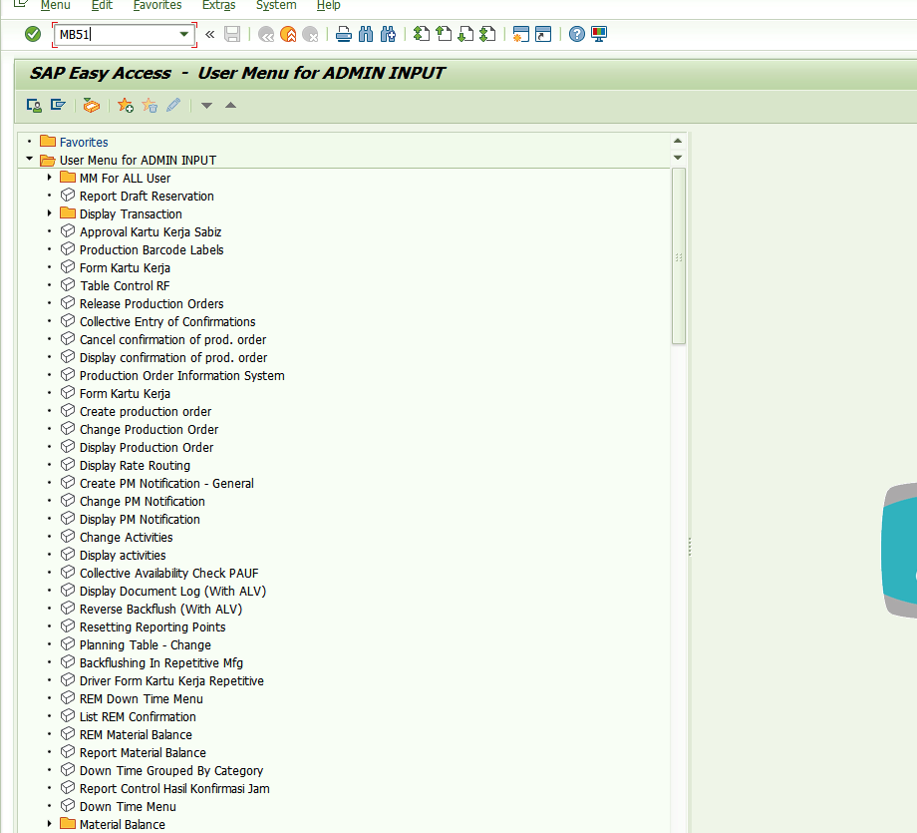

2. pada layout mb51 isi plant : 1004, Stroge Location : E001, M.type : 915, Posting Date : tanggal reservasi di receive
lalu klik execute
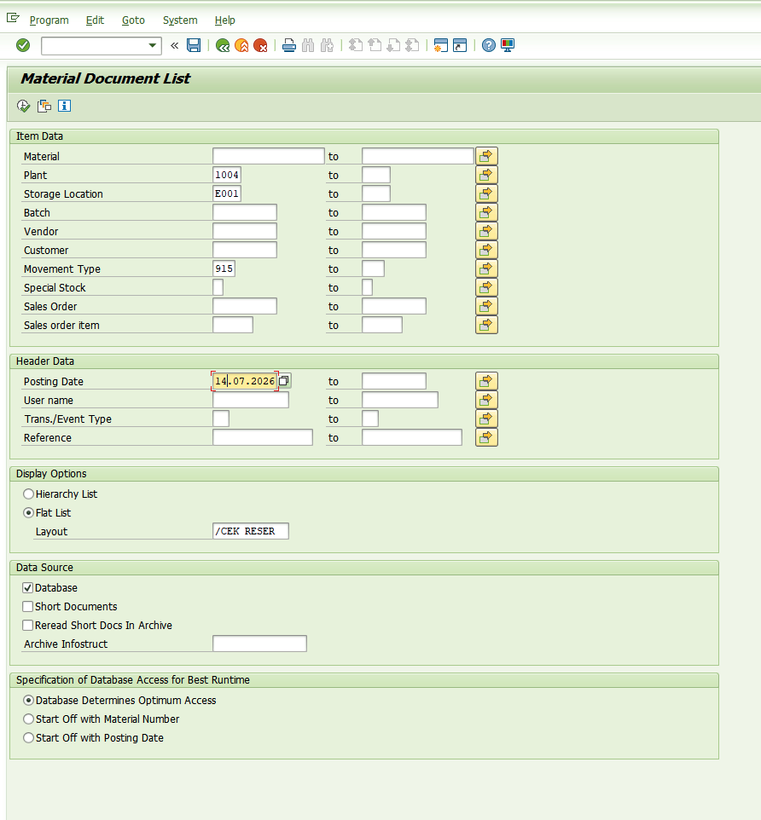

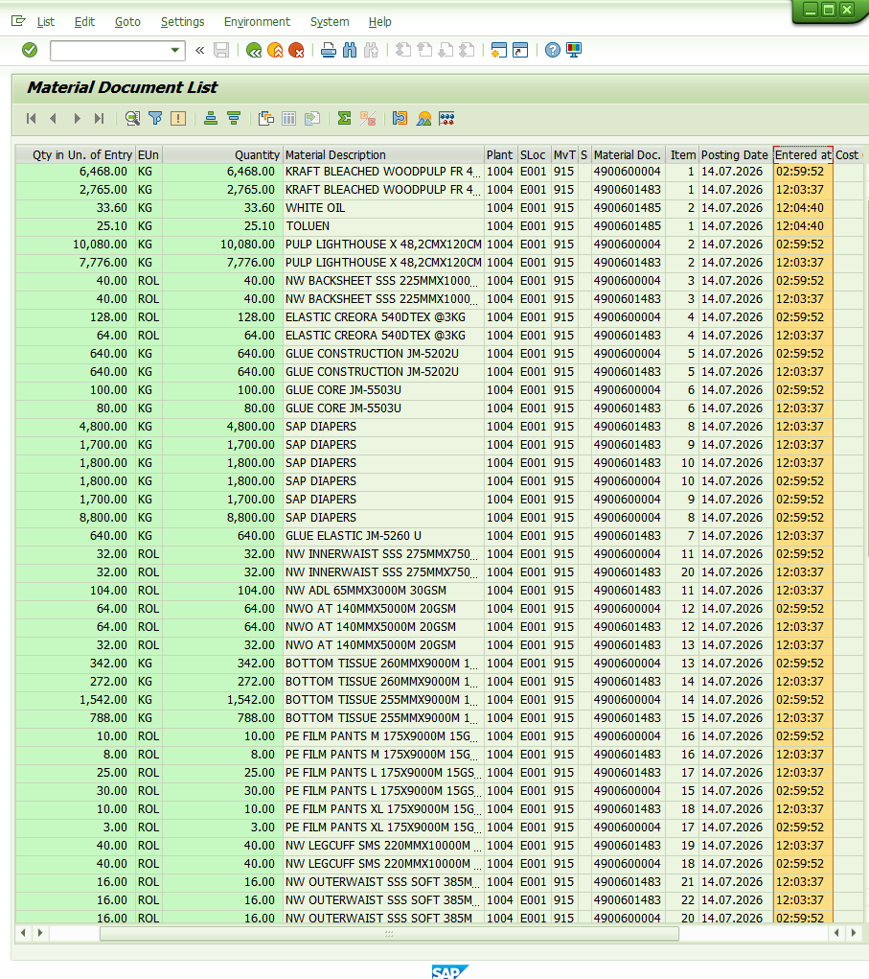
3. Blok pada kolom Time of Entry lalu klik Sort in Ascending order lalu copas mulai dari jam terposting, CTRL+Y untuk memilih mid yg akan di copas

